24-START-88SE-STD
BIKE CODE FOR ORDERS |  | 24-START-88SE-STD | BIKE DESCRIPTION NAME | YCF START-88SE 2024 | CONTROL STATUS
EFFECTED DATE(D/M/Y) |  | 29/12/2023 | VERSION | 2024A0

Handle bar assembly |  |  |  |  |  | AB
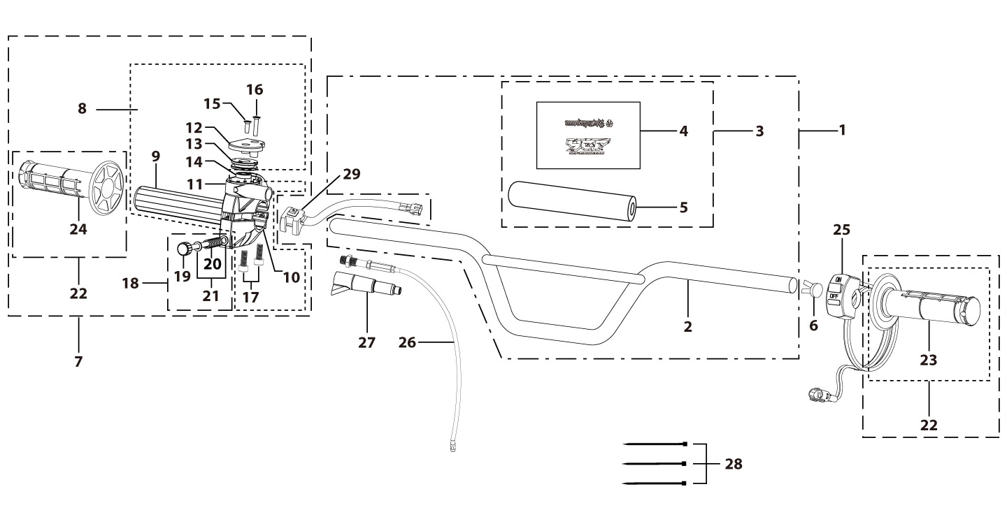
N° | Ref. | Description | Français | Picture | Qty/Bike | Rep. Pst.
2 | YC110-0101-34-BK | chromoly handle high bar L=760mm d=22.2 mm, with cross bar, embossed, Black | Guidon acier avec Barre "HAUT" avec stries L=760mm d.22.2 mm Noir |  | 1
3 | YC110-0132 | Complete Bar Pad for Chromolly Handlebar L=250mm START Black-WHITE | Mousse guidon complete pour guidon Chromolly L=250mm Noir-BLANC |  | 1
6 | YC110-0153-01 | Handle bar plastic cap,Nylon,Black | Embout plastique de guidon,nylon,Noir |  | 1
7 | YC110-0138-04 | Complete Throttle Assy. (With adjusting bolts)+set of grip ( YCF LOGO) Grey 2020 | Poignee gaz reglable complete YCF 2020 avec Paire de poignée caoutchouc YCF GRIS 2020 + vis reglage |  | 1
15 | GB819-M4x12 | Countersunk cross head machine screw,stainless steel, M4x12mm | Vis à tête fraisée plate cruciforme,inox, M4x12mm |  | 1
16 | GB819-M4x20 | Countersunk cross head machine screw,stainless steel, M4x20mm | Vis à tête fraisée plate cruciforme,inox, M4x20mm |  | 1
17 | GB70-M6x25 | HEXAGON SOCKET Head Bolt, stainless steel, M6x25mm | Vis Allen (BTR)inox, M6x25mm |  | 2
18 | YC110-01022-06 | Complete SCREW FOR THROTTLE ADJUSTMENT,(with GB97-d5xd9x1-W2A + YC110-01022-06 1EA+YC110-01022-07 1EA) | VIS M5X50 POUR RÉGLAGE DE LA POIGNÉE DE GAZ complete (avec GB97-d5xd9x1-W2A + YC110-01022-06 1EA+YC110-01022-07 1EA) |  | 1
22 | PPC011-GY | set of grip 2020 (YCF LOGO) Grey | Paire de poignée caoutchouc 2020 (YCF LOGO) GRISE |  | 1
25 | YC110-0105-15 | Kill Switch ON/OFF L=580mm Waterproof | Coupe circuit on off L=580mm ETANCHE |  | 1
26 | YC110-0106-16 | Throttle Cable L=710mm A+B=135mm | Cable gaz L=710mm A+B=135mm |  | 1
27 | YC110-0143-01 | Rubber on trottle cable | Protection caoutchouc cable de gas |  | 1
28 | YC110-01-03-BK | Cable tie,nylon, L=150mm Black | collier maintien cable, nylon, L=150mm Noir |  | 3
29 | YC110-0139-03 | Electrical start switch Waterproof L=500mm | Bouton demareur ETANCHE L=500mm |  | 1
Steering stem assembly |  |  |  |  |  | AB
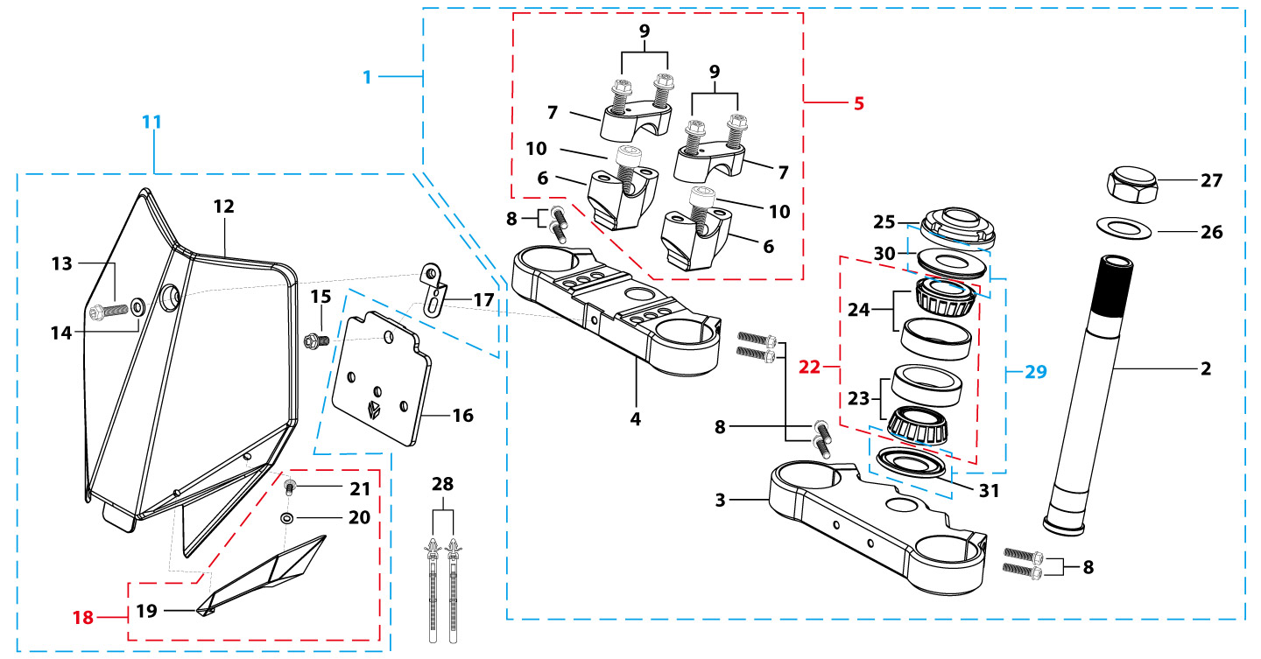
N° | Ref. | Description | Français | Picture | Qty/Bike | Rep. Pst.
1 | YC88-02-041-BK | Complete Triple Clamp L=160mm Steering stem L=213mm START88 2020 MATT Black | Te Fourche Complet L=160mm tige colonne direction L=213mm START88 2020 Noir MAT |  | 1
2 | YC88-0201-03 | Steering stem L=213 mm | tige colonne direction L=213 mm |  | 1
3 | YC110-0202-56-BK | Lower triple clamp L=160mm d48mm H=28mm START/PILOT 2020 MATT Black | té fourche inferieur L=160mm d48mm H=28mm START/PILOT 2020 Noir MAT |  | 1
4 | YC110-0201-56-BK | Top Triple Clamp L=160mm d45mm H=28mm START/PILOT 2022, 3 ADJUSTEBLE POSITIONS,MATT Black | té fourche supérieur L=160mm d45mm H=28mm START/PILOT 2022, REGLAGE 3 POSITIONS,Noir MAT |  | 1
5 | YC110-0203-035 | Set of Bar mount d22.2mm /H=top 18mm+bottom 55mm START 2020(with GB70-M10x50x1.5W 2EA+BT08-M8x30-W 4EA)Black | jeu pontet guidon d22.2mm /H=supérieur 18mm+inferieur 55mm START 2020(avec GB70-M10x50x1.5W 2EA+BT08-M8x30-W 4EA) Noir |  | 1
6 | YC110-0203-32 | Lower Bar Mount CNC d=22.2mm H=55mm START 2020 Black | Pontet guidon inférieur d=22.2mm H=55mm START 2020 Noir |  | 2
7 | YC110-0201-02 | Top Bar Mout CNC d=22.2 mm H=18mm START 2020 Black | pontet guidon supérieur d=22.2mm H=18mm START 2020 Noir |  | 2
8 | BT08-M6x25-W | HEXAGON Torx screw with Flange M6x25mm | Vis HEXAGONALE Torx avec Flange M6x25mm |  | 8
9 | BT08-M8x30-W | HEXAGON Torx screw with Flange M8x30mm | Vis HEXAGONALE Torx avec Flange M8x30mm |  | 4
10 | GB70-M10x50x1.5-W | HEXAGON SOCKET Head Bolt,steel, M10x50mmx1.5mm | Vis Allen (BTR),acier, M10x50mmx1.5mm |  | 2
11 | YC110-0212-07-BK | Complete Front Number Plate PP SP 2014 BLACK | PLAQUE AVANT complete PP SP 2014 NOIR |  | 1
13 | BT08-M6x12-W | HEXAGON Torx screw with Flange M6x12mm | Vis HEXAGONALE Torx avec Flange M6x12mm |  | 1
14 | GB97-d6-W | Flat washer,steel d6mm | Rondelle plate,acier d6mm |  | 1
15 | GBT5787-M6x16-6-W | Hex. Bolt with flanged M6x16mm (step 6mm) steel | Vis avec epaulement M6x16mm (deport 6mm) acier |  | 1
16 | YC110-0213-12 | Front plastic plate to hold cables 75mmx80mm | Plaque avant plastique maintien cables 75mmx80mm |  | 1
17 | YC110-0213-11 | Number plate bracket 18mmx93mm H=18mm LITE 2020 double holes | support plaque avant 18mmx93mm H=18mm LITE 2020 Doubles trous |  | 1
18 | YC110-0214-01-WH | Complete Break Line Retainer (with GB818-M4x10-W 1EA+GB97-d4-W 1EA) White | guide durite avec vis sur plaque avant complet (avec GB818-M4x10-W 1EA+GB97-d4-W 1EA) Blanc |  | 1
20 | GB97-d4-W | Flat washer,steel d4mm | Rondelle plate,acier d4mm |  | 1
21 | GB818-M4x10-W | Pan / Round head cross machine screw M4x10mm | Vis à tête ronde cruciforme M4x10mm |  | 1
22 | KRDIRECTION46 | set of bearing for steering 46/23.5、46/22 | Kit rlt colonne direction 46/23.5、46/22 |  | 1
25 | YC110-02-09 | Top nut for steering,steel, d=54.5mm | écrou crantellé colonne direction steel d=54.5mm |  | 1
26 | YC110-02-10 | Washer for steering stem nut, stainless steel, d22mmxd37mmx0.7mm | joint colonne direction,inox, d22mmxd37mmx0.7mm |  | 1
27 | YC110-02-11 | Nut for steering stem,steel, M22x1.0mm | écrou supérieur colnne direction ,acier, M22x1.0mm |  | 1
28 | YC110-01-08-BK | Cable tie, PA66 L=80mm ADJUSTABLE Black | Collier maintien cable,PA66 L=80mm ADJUSTABLE Noir |  | 2
29 | YC110-02-20 | Washer for steering stem nut (topd22mm/47mm+ bottom d24mm/47mm) | joint colonne direction(hautd22mm/47mm+ bas d24mm/47mm) |  | 1
Front Fender |  |  |  |  |  | AB

N° | Ref. | Description | Français | Picture | Qty/Bike | Rep. Pst.
1 | YC50-031-01-WH | Front Fender PP YCF50 2020 WHITE | Gb avant PP YCF50 2020 BLANC |  | 1
3 | GBT5787-M6x16-6-W | Hex. Bolt with flanged M6x16mm (step 6mm) steel | Vis avec epaulement M6x16mm (deport 6mm) acier |  | 3
4 | GBT5787-M6x16-3-W | HEXAGON screw with Flange with half thread M6x16mmx3mm | Vis HEXAGONALE avec Flange et deport M6x16mmx3mm |  | 2
Front & Rear absorber |  |  |  |  |  | AB
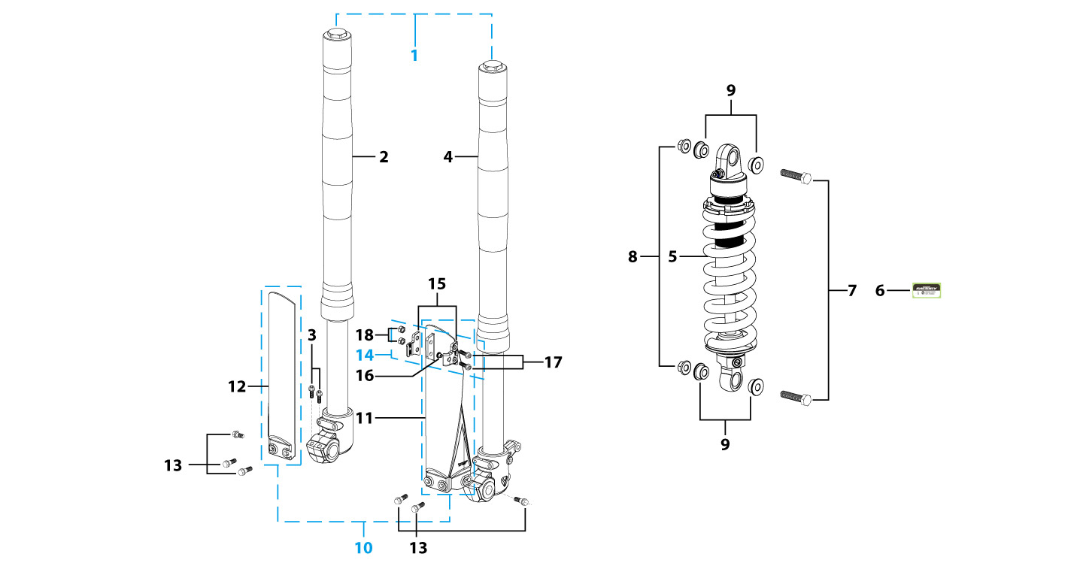
N° | Ref. | Description | Français | Picture | Qty/Bike | Rep. Pst.
1 | YC110-0400-43 | Pair of forks L=600mm (not adjustable) 2020 GREY | Jeu de fourches L=600mm 2020 GRIS |  | 1
2 | YC110-0401-32 | Front right fork L=600mm START88 2020 TITAN cylinder, Chrome tube, silver base | Tube fourche droit (non ajustable) L=600mm GRIS 2020 |  | 1
3 | BT08-M6x30-W | HEXAGON Torx screw with Flange M6x30mm | Vis HEXAGONALE Torx avec Flange M6x30mm |  | 2
4 | YC110-0401-38 | Front left fork L=600mm (not adjustable) 2020 GREY | Jeu de fourches L=600mm 2020 GRIS pour etrier double piston |  | 1
5 | YC110-0404-15 | Shock absorber START88 265mmx750lbs KKE YELLOW | Amortisseur START88 265mmx750lbs KKE JAUNE |  | 1
7 | GB5789-M12x45-W | HEXAGON screw with Flange M12x45mm | Vis HEXAGONALE avec Flange M12x45mm |  | 2
8 | GB6187-M12-W | HEXAGON FLAT FLANGE LOCK NUT M12mm steel | Ecrou HEXAGONAL avec Flange autobloquant M12mm acier |  | 2
9 | YC110-0420 | Shock bottom spacer d12mmxd16mmxd20mmx10.9mm T=3mm | Entretoise bas amortisseur d12mmxd16mmxd20mmx10.9mm T=3mm |  | 4
10 | YC110-0418-01-BK | 660mm set of fork protection PP L=265mm 2013 Black | 660mm Jeu protection fourche PP L=265mm 2013 Noir |  | 1
13 | GBT5787-M6x14-5-W | Hex. Bolt with flanged M6x14mm (step 5 mm) steel | Vis avec epaulement M6x14mm (deport 5 mm ) acier |  | 6
14 | YC110-0403-05 | Complete Oil steel line retainer on left front fork PP START Black | Complet Passe durite sur protection fourche gauche PP START Noir |  | 1
17 | BT08-M6x20-W | HEXAGON Torx screw with Flange M6x20mm | Vis HEXAGONALE Torx avec Flange M6x20mm |  | 2
18 | GB6170-M6-W | HEXAGON Nut M6mm steel | Ecrou HEXAGONAL M6mm acier |  | 2
Front Brake Assy |  |  |  |  |  | AB

N° | Ref. | Description | Français | Picture | Qty/Bike | Rep. Pst.
1 | YC110-0501-2001 | Front brake assy 2 pumps L= 980mm d10mm/d10mm w/t abestos 2020 | kit frein avant 2 pistons avec gaine plastic L=980mm d10mm/d10mm sans amiante 2020 |  | 1
2 | YC110-0501-0104-02 | Front Brake Reservoir for 2 pump piston d10mm START 2020 | Maitre cylindre frein avant pour étrier 2 pistons piston d10mm START 2020 |  | 1
3 | YC110-0517-01 | Front brake lever for 2 pump brake adjustable | levier frein ajustable |  | 1
4 | HB06-M6x30-G | Hex.bolt with flanged M6x30mm (Step M8x15mm) front front brake lever | vis M6x30mm (deport M8x15mm) |  | 1
5 | GB6184-M6-G | HEXAGON FLAT NYLON LOCK NUT M6-G | Ecrou HEXAGONAL autobloquant nylon M6-G |  | 1
6 | YC110-0515-01 | rubber for brake lever | caoutchouc levier frein avant |  | 1
8 | BT08-M6x35-W | HEXAGON Torx screw with Flange M6x35mm | Vis HEXAGONALE Torx avec Flange M6x35mm |  | 2
9 | YC110-0501-0328 | Front brake oil steel line L=980mm M10/d10mm Black, 2020 | Durite frein avant L=980mm M10/d10mm Noir,2020 |  | 1
10 | YC110-0501-0209 | Front Brake caliper for 2 pump d10mm | étrier frein avant double pistons d10mm |  | 1
11 | YC110-0501-0418 | Front Brake pads for double pump brake START88 | jeu plaquette frein avant pour frein 2 pistons START88 |  | 2
12 | YC110-1255-03 | caliper screw for front brake L=45mm Army green | vis plaquette frein avant L=45mm |  | 2
13 | YC110-0501-030 | Bracket for front brake 2 pumps | patte frein avant etrier 2 pistons |  | 1
14 | BT08-M6x20-W | HEXAGON Torx screw with Flange M6x20mm | Vis HEXAGONALE Torx avec Flange M6x20mm |  | 2
Front Wheel Assy |  |  |  |  |  | AB

N° | Ref. | Description | Français | Picture | Qty/Bike | Rep. Pst.
1 | YC110-0601-2901-01 | Complete STEEL Front wheel 1.4x12' (die cast hub, d220mm brake disk) 2020 96140-6003-2Z bearing with spacers | roue avant complète ACIER 1.4x12' (moyeux injécté cerceau avec d220mm disque) 2020 96140-6003-2z roulement Avec entretoises fixes |  | 1
3 | YC110-0622-0801 | Front hub with oil seal 2020 10k 96140-6003-2Z bearing with spacers | moyeux avant injectée avec joint spy 2020 10k 96140-6003-2z roulement Avec entretoises fixes |  | 1
4 | YC110-0601-0201 | Front axle bushing 7075 d17mmxd24mmx44mm | Entretoise central roue avant 7075 d17mmxd24mmx44mm |  | 1
5 | 96140-6003-2Z | Ball bearing 6003 d17mmxd35mmx10mm | roulement roue 6003 d17mmxd35mmx10mm |  | 2
6 | YC110-0611 | OIL SEAL d23mmxd35mmx5mm | joint spy roue d23mmxd35mmx5mm |  | 2
7 | YC110-0609-15-GY | Front wheel spacer right, 7075, d15mmxd22mmx24mm with STEP d15mmxd17mmx15mm And d15mmx19.4mmx4mm MATT GREY | Entretoise roue avant droite,7075 , d15mmxd22mmx24mm avec epaulement d15mmxd17mmx15mm And d15mmx19.4mmx4mm GRIS MAT |  | 1
8 | YC110-0610-15-GY | Front wheel spacer left 7075 d15mmxd22mmx34mm with STEP d15mmxd17mmx15mm MATT GREY | Entretoise roue avant gauche 7075 d15mmxd22mmx34mm avec epaulement d15mmxd17mmx15mm GRIS MAT |  | 1
9 | YC110-06-061 | Front Axle d15mm L=215 mm with Self-locking nut M14 | axe de roue avant d15mm L=215 mm avec ecrou M14 |  | 1
10 | GB6187-M14-W | HEXAGON FLAT FLANGE LOCK NUT M14 steel | Ecrou HEXAGONAL avec Flange autobloquant M14 acier |  | 1
11 | YC110-1115-07 | Front disk d220mm (Screw hole d10.5mm) 2020 | disque frein avant d220mm (Trou de vis d10.5mm) 2020 |  | 1
12 | KVD-01 | Disk screws kit (contain GB70.2-M8x20-Cr 4EA) | KIT VIS DISQUE M8x20(lot 4) |  | 1
14 | YC110-0601-013 | STEEL Rim for Front wheel 1.4x12' Black | cerceau roue av 1.4x12' ACIER Noir |  | 1
15 | 60/100/12 | Front tyre 60/100/12' YCF | pneu 60/100/12' YCF |  | 1
16 | CHAMBRE12AV | Tube for front tire 2.50x12' | chambre air avant 2.50x12' |  | 1
18 | YC110-11-01 | tire lining for 12'x20 | fond jante av12'x20 |  | 1
19 | JR12-12.1-10K | set of front spoke 1.40x12' 125mmx16+122mmx16 10K (3.2mm) | Jeu rayon avant 1.40x12' 125mmx16+122mmx16 10K (3.2mm) |  | 1
Fuel Tank |  |  |  |  |  | AB
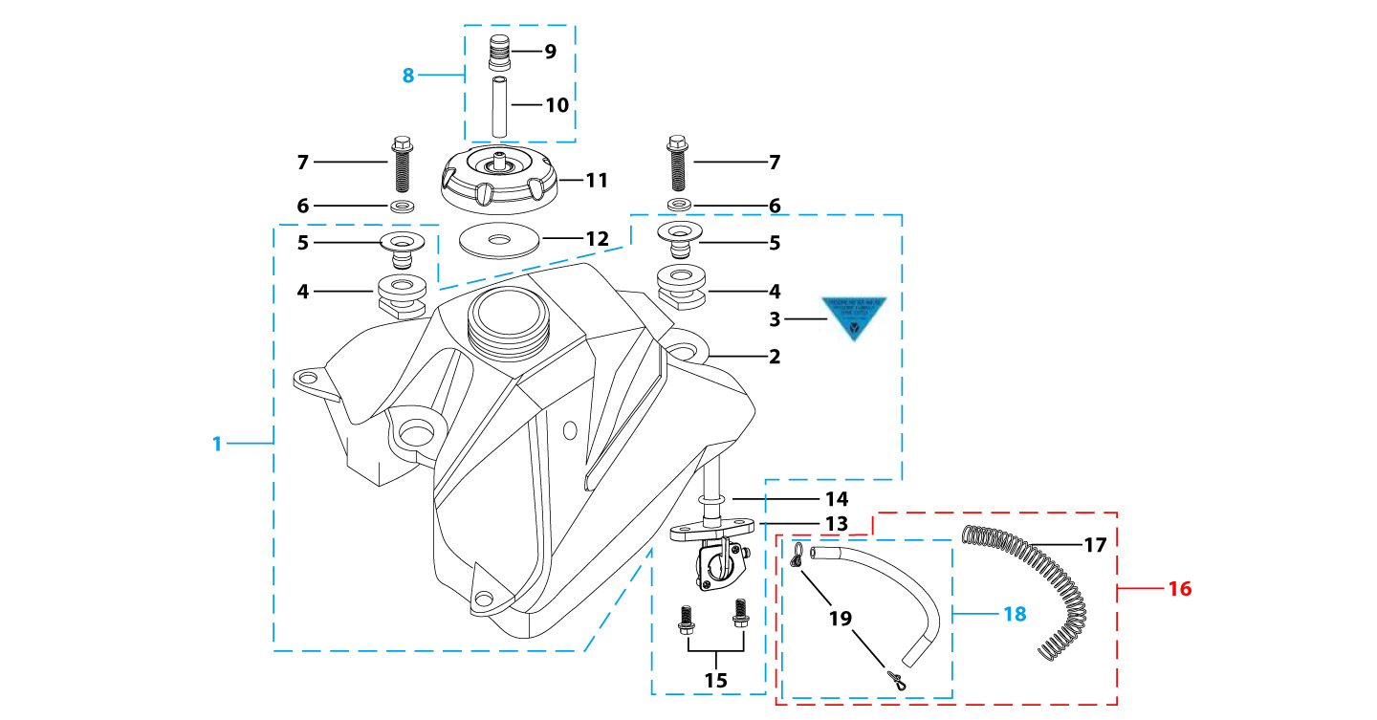
N° | Ref. | Description | Français | Picture | Qty/Bike | Rep. Pst.
1 | YC110-0701-02 | Complete fuel tank suitable for pre bikes START125 2023 with grain (with YC110-07-01 2EA+YC110-07-02 2EA+YC110-1910 1EA) | Reservoir complet (Adaptable pour motos avant) START125 2023 avec finition granulee(with YC110-07-01 2EA+YC110-07-02 2EA+YC110-1910 1EA) |  | 1
6 | GB96-d8-W | Flat washer,steel d8mm | Rondelle plate,acier d8mm |  | 2
7 | BT08-M8x30-W | HEXAGON Torx screw with Flange M8x30mm | Vis HEXAGONALE Torx avec Flange M8x30mm |  | 2
8 | YC125-0704-BK | Fuel tank valve complete L=40mm Black | Valve prise air complete L=40mm Noir |  | 1
11 | YC110-0702-01 | Tank cap plastic Ventilator d3mm | Bouchon reservoir plastique YCF d3mm |  | 1
13 | YC110-0703 | Fuel cock assy. | robinet essence |  | 1
14 | YC110-0717-03 | O-RING,d10.8mmx2.65mm For Fuel cock assy | Joint Thorique d10.8mmx2.65mm pour robinet essence |  | 1
15 | BT08-M6x16-W | HEXAGON Torx screw with Flange M6x16mm | Vis HEXAGONALE Torx avec Flange M6x16mm |  | 2
16 | YC110-0706 | fuel tank rubber line spring d4.5mmxd8.5mmx210mm | durite reservoir avec ressort d4.5mmxd8.5mmx210mm |  | 1
Air Filter |  |  |  |  |  | AB
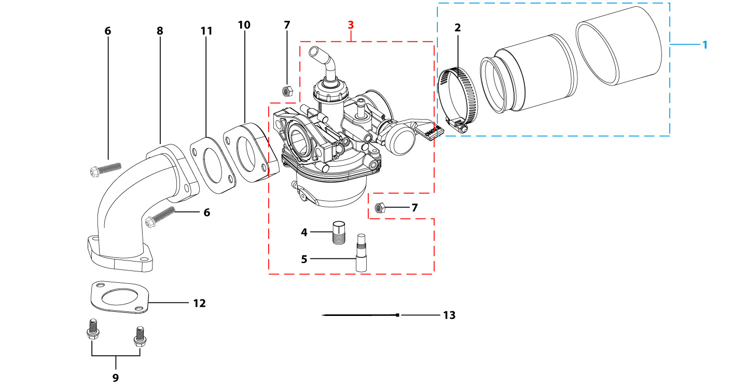
N° | Ref. | Description | Français | Picture | Qty/Bike | Rep. Pst.
1 | YC110-0802-03 | YCF air filter blue d35mm twin thickness (for 22 carburetor) assy | Filtre a air YCF bleu d35mm bi-matiere (pour carburateur 22) assemble |  | 1
2 | YC110-0805-03 | Holding ring d32mm-d50mm | collier FILTRE d32mm-d50mm |  | 1
3 | PZ18FL-SP | NIBBI Carburetor PZ18(Flange Sport version) | NIBBI Carburetor PZ18(Flange Sport version) |  | 1
4 | LK-PZ-80 | Main Jet 80 PZ Nibbi | Gicleur principal 80 PZ Nibbi |  | 1
5 | LK-FLKZ-35-01 | Slow Jet 35 FLKZ Nibbi | Gicleur ralenti 35 FLKZ Nibbi |  | 1
6 | BT08-M6x30-W | HEXAGON Torx screw with Flange M6x30mm | Vis HEXAGONALE Torx avec Flange M6x30mm |  | 2
7 | GB6170-M6-W | HEXAGON Nut M6mm steel | Ecrou HEXAGONAL M6mm acier |  | 2
8 | 17311/152FMIZL-57 | Inlet Pipe,Pro 88PILOT 2012 | PIPE ADMISSION 88PILOT 2012 |  | 1
9 | BT08-M6x25-W | HEXAGON Torx screw with Flange M6x25mm | Vis HEXAGONALE Torx avec Flange M6x25mm |  | 2
10 | YC110-2018 | carburettor isolating gasket d20.5mm | joint plastique carburateur d20.5mm |  | 1
11 | YC110-2017 | carburettor paper gasket d22mm | joint papier carburateur d22mm |  | 1
12 | 17332/152FMH01 | Intake Gasket | JT PAPIER PIPE ADMISSION |  | 1
Foot Peg assy |  |  |  |  |  | AB
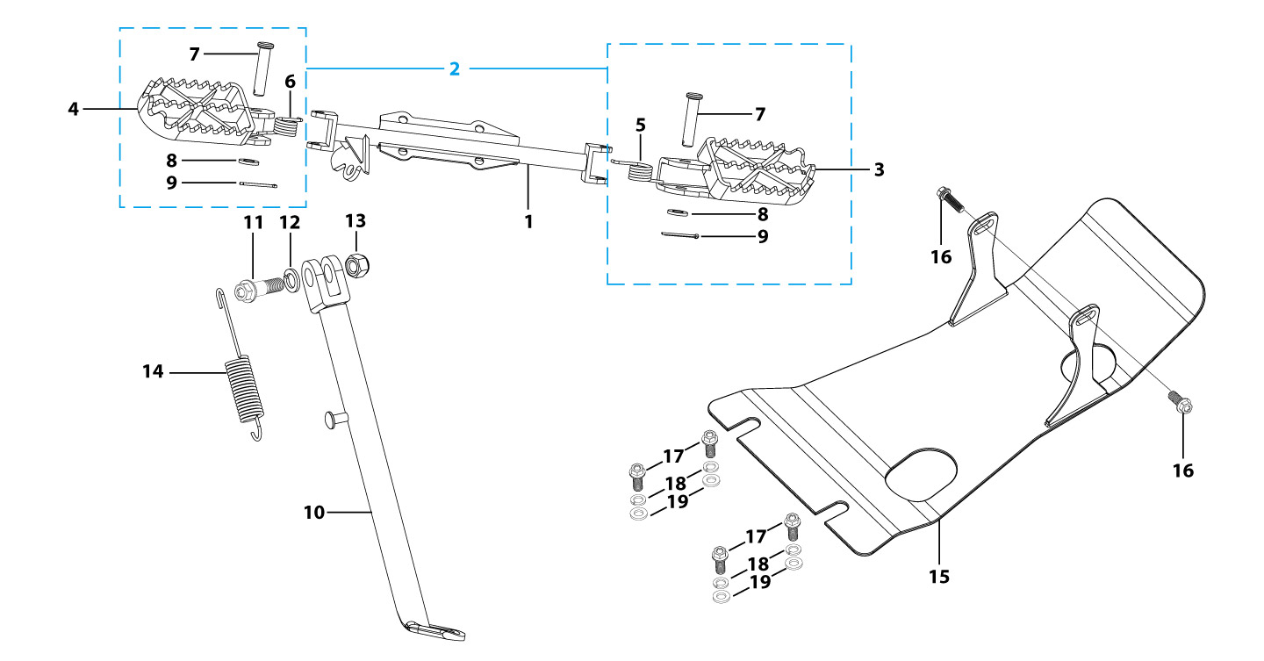
N° | Ref. | Description | Français | Picture | Qty/Bike | Rep. Pst.
1 | YC88-0901-02 | Foot pegs bar d22mm x 2.5mm START 88 / LITE 2020 Grey | barre repose pied d22mm x 2.5mm START 88 / LITE 2020 GRISE |  | 1
2 | YC110-0902-17 | Steel foot pegs set START / PILOT 2022 GREY | Jeu repose pied Acier START / PILOT 2022 GRIS |  | 1
5 | YC110-09-01 | Spring for right steel foot peg d2mmxd17mmx12mm | ressort repose pied droit acier d2mmxd17mmx12mm |  | 1
6 | YC110-09-02 | Spring for left steel foot peg d2mmxd17mmx12mm | ressort repose pied gauche acier d2mmxd17mmx12mm |  | 1
7 | GB882-d8x40-W | shaft pin for steel footpegs d8mmx40mm | axe repose pied acier d8mmx40mm |  | 2
8 | GB97-d8-W | Flat washer,steel d8mm | Rondelle plate,acier d8mm |  | 2
9 | GB91-d2x25-W | Split pin d2.0mmx25mm | Goupille d2.0mmx25mm |  | 2
10 | YC110-0904-22 | Kick stand L=240mm Black | Bequille L=240mm Noir |  | 1
11 | FB02-M10x1.5x30I | Stepped screw M10x35mm for kick stand (step 1.5) | vis bequille M10x35mm (pas1.5) |  | 1
12 | GB93-d10-W | Spring Lock Washers d10mm | Rondelle a ressort d10mm |  | 1
13 | GB6172-M10-G | HEXAGON Nut M10 for #17 sleeve | Ecrou HEXAGONAL M10 for #17 sleeve |  | 1
14 | YC110-19-01 | spring for kick stand d2.5mmxd15mmx105mm | ressort bequille d2.5mmxd15mmx105mm |  | 1
15 | YC110-201-02 | YCF Engine skid plate Steel START125SE MATTE Black | Sabot moteur Acier YCF START125SE Noir MAT |  | 1
16 | BT08-M6x16-W | HEXAGON Torx screw with Flange M6x16mm | Vis HEXAGONALE Torx avec Flange M6x16mm |  | 2
17 | BT08-M8x25-W | HEXAGON Torx screw with Flange M8x25mm | Vis HEXAGONALE Torx avec Flange M8x25mm |  | 4
18 | GB93-d8-W | Spring Lock Washers d8mm | Rondelle a ressort d8mm |  | 4
19 | GB97-d8-W | Flat washer,steel d8mm | Rondelle plate,acier d8mm |  | 4
Swing Arm assy |  |  |  |  |  | AB
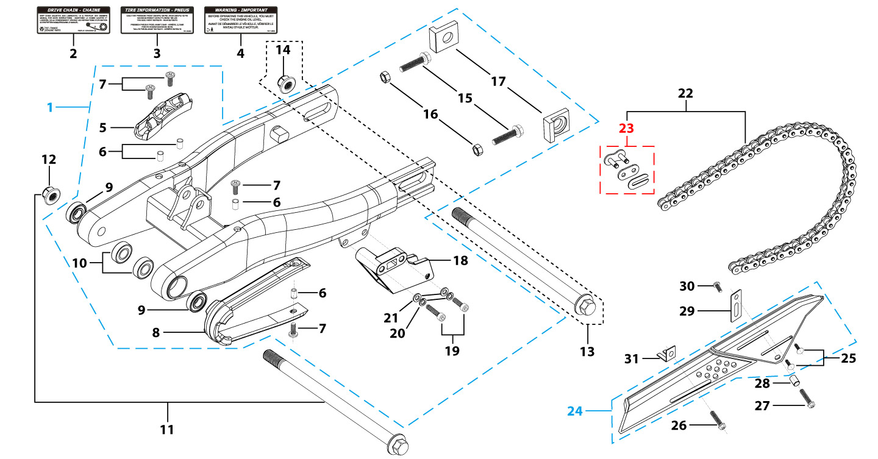
N° | Ref. | Description | Français | Picture | Qty/Bike | Rep. Pst.
1 | YC110-1001-0701 | Mono swing arm complete steel L=360mm Black 2020 | Bras oscillant acier mono L=360mm 2020 Noir complet |  | 1
5 | YC110-10-015-BK | Rear brake hose guide 2020 Black | Passe durite de frein arriere sur bras oscillant 2020 Noir |  | 1
7 | DIN7985-M6x16 | Screw M6x16mm inox | Vis M6x16mm inox |  | 4
8 | YC110-10-023 | Chain slider for Steel swing arm PU START | patin chaine court pour bras Acier PU START |  | 1
9 | 6001/28-12-08 | Swing arm ball bearing 6001 d12mmxd28mmx8mm | Roulement bras oscillant 6001 d12mmxd28mmx8mm |  | 4
10 | YC110-1001-013 | Spacer for swing arm d12mmxd20mmx11.5mm | Entretoise de bras oscillent d12mmxd20mmx11.5mm |  | 2
11 | YC110-10-034 | Swing arm shaft with self lock nut M12 L=192mm d12 | axe bras oscillant d12 avec ecrou M12 L=192mm |  | 1
12 | GB6187-M12-W | HEXAGON FLAT FLANGE LOCK NUT M12mm steel | Ecrou HEXAGONAL avec Flange autobloquant M12mm acier |  | 1
13 | YC110-11-074 | Rear wheel axle L=215mm d15mm with Self locking nut M14 | axe roue arriere L=215mm d15mm avec ecrou M14 |  | 1
14 | GB6187-M14-W | HEXAGON FLAT FLANGE LOCK NUT M14 steel | Ecrou HEXAGONAL avec Flange autobloquant M14 acier |  | 1
15 | GB5783-M8x40-W | Hexagon Head Bolt with full thread M8 x40mm | Vis a tete HEXAGONALE M8 x40mm |  | 2
16 | FB6170-M8-W | Hex. Nut M8 | ecrou tendeur chaine M8 |  | 2
17 | YC110-11-08 | Block axle Aluminium SILVER H=33mm | Tendeur chaine Aluminium SILVER H=33mm |  | 2
18 | YC110-1005 | YCF chain guide assy for R-START range Black | guide chaine YCF pour gamme R-START Noir |  | 1
19 | GB70-M8x20 | HEXAGON SOCKET Head Bolt, stainless steel, M8x20mm | Vis Allen (BTR)inox, M8x20mm |  | 2
20 | GB93-d8-W | Spring Lock Washers d8mm | Rondelle a ressort d8mm |  | 2
21 | GB97-d8-W | Flat washer,steel d8mm | Rondelle plate,acier d8mm |  | 2
22 | 420H-96T | Chain 420H-96T,normal | Chaine 420H-96T maillons standard |  | 1
23 | AR-420 | Chain link H=17mm | Attache rapide chaine H=17mm |  | 1
24 | YC110-1028-02 | Chain box protection | Protection chaine plastique |  | 1
25 | SC17-M8x20-B | Rivet Plastic Black M8x20mm for Chain box protection | Rivet plastique M8x20 pour fixation de la Protection chaine plastique M8x20mm |  | 2
26 | GB5787-M6x10-W | HEXAGON screw with Flange M6x10mm steel | Vis HEXAGONALE avec Flange M6x10mm acier |  | 1
27 | GB5787-M6x16-W | HEXAGON screw with Flange M6x16mm steel | Vis HEXAGONALE avec Flange M6x16mm acier |  | 1
28 | FB13-7x12x5.5 | Bushing d7mmxd12mmx5.5mm for Chain box protection | Entretoise d7mmxd12mmx5.5mm pour Protection chaine plastique |  | 1
29 | YC110-0213-0401 | Number plate bracket long TOP 2020 | Support plaque avant 2020 |  | 1
30 | GB818-M6x12-W | Pan / Round head cross machine screw M6x12mm | Vis à tête ronde cruciforme M6x12mm |  | 1
31 | YC110-0600-021 | Chain box protection support (front) | Support avant Protection chaine plastique |  | 1
Rear Wheel Assy |  |  |  |  |  | AB
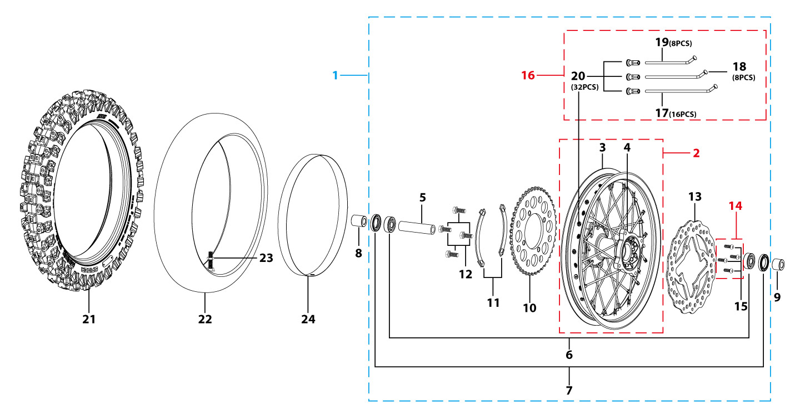
N° | Ref. | Description | Français | Picture | Qty/Bike | Rep. Pst.
1 | YC110-1101-01A-01 | Complete STEEL Rear wheel 1.85x10' with disk and sproket die cast hub 2020 96140-6003-2Z bearing with spacers | Roue arriere complète ACIER 1.85x10' moyeux injecte avec disque et couronne 2020 96140-6003-2z roulement avec entretoises fixes |  | 1
3 | YC110-1117-01 | STEEL Rim 1.85x10' Black | cerceau roue 1,85x10' ACIER Noir |  | 1
4 | YC110-1122-0801 | Rear wheel die cast hub with oil seal 2021 10K 96140-6003-2Z bearing with spacers | Moyeux arrière injecté avec joint spy 2021 10K 96140-6003-2z roulement avec entretoises fixes |  | 1
5 | YC110-1101-0601 | Rear hub axle bushing 7075 d17mmxd24mmx74mm | Entretoise intérieur moyeux arrière 7075 d17mmxd24mmx74mm |  | 1
6 | 96140-6003-2Z | Ball bearing 6003 d17mmxd35mmx10mm | roulement roue 6003 d17mmxd35mmx10mm |  | 2
7 | YC110-0611 | OIL SEAL d23mmxd35mmx5mm | joint spy roue d23mmxd35mmx5mm |  | 2
8 | YC110-1112-06-GY | Rear wheel spacer left 7075 d15mmxd22mmx39mm with step d15mmxd17mmx15mm MATT GREY | Entretoise roue arriere gauche 7075 d15mmxd22mmx39mm avec epaulement d15mmxd17mmx15mm GRIS MAT |  | 1
9 | YC110-1111-06-GY | Rear wheel spacer right 7075 d15mmxd22mmx30mm with step d15mmxd17mmx15mm MATT GREY | Entretoise roue arriere droite 7075 d15mmxd22mmx30mm avec epaulement d15mmxd17mmx15mm GRIS MAT |  | 1
10 | YC110-11-06/41 | YCF Driven sprocket 420-41T (4 holes) | couronne acier 420-41T YCF (4 trous) |  | 1
11 | YC110-11-03 | Sprocket Locking piece | block couronne |  | 2
12 | GB5783-M8x25-W | Hexagon Head Bolt with full thread M8x25mm | Vis a tete HEXAGONALE M8x25mm |  | 4
13 | YC110-1115-06 | Rear disk d200mm d10.5mm 2020 | disque frein arriere d200mm d10.5mm 2020 |  | 1
14 | KVD-01 | Disk screws kit (contain GB70.2-M8x20-Cr 4EA) | KIT VIS DISQUE M8x20 (lot 4) |  | 1
16 | JR10-10.4-10K | set of spoke 10' (106mmx16+98mmx8+104mmx8) 10K | jeu rayon arrière 10' (106mmx16+98mmx8+104mmx8)10K |  | 1
21 | 300/10 | YCF tyre 3.00/10' SF | pneu 3.00/10' YCF SF |  | 1
22 | CHAMBRE10 | Tube for Rear tire 3.00x10' 88CC | chambre air 3.00x10' standard 88CC |  | 1
24 | YC110-11-02 | Tire lining 10‘x18 | fond jante 10’x18 |  | 1
REAR BRAKE |  |  |  |  |  | AB
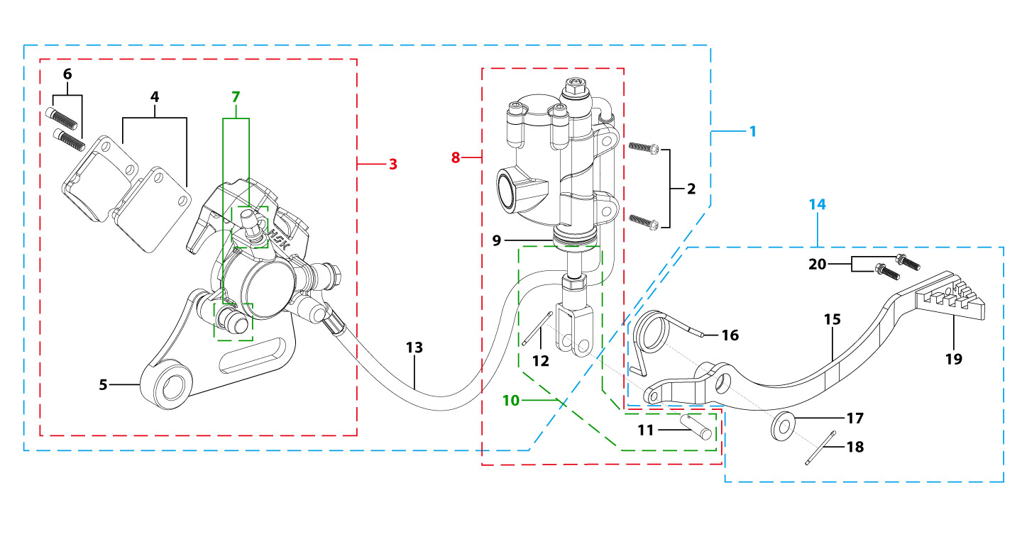
N° | Ref. | Description | Français | Picture | Qty/Bike | Rep. Pst.
1 | YC110-12013-0301 | Rear brake aasy 1 piston L=345mm 2020 | Kit frein arriere 1 piston avec gaine plastic L=345mm 2020 |  | 1
2 | BT08-M6x20-W | HEXAGON Torx screw with Flange M6x20mm | Vis HEXAGONALE Torx avec Flange M6x20mm |  | 2
3 | YC110-1201-0402 | Rear Caliper 1 pistons d10 | étrier frein arrière 1 piston d10 |  | 1
4 | YC110-120104 | Friction pad for 1 piston brake | plaquette frein arrière 1 piston |  | 2
5 | YC110-1201-01 | Rear brake bracket T=6mm | patte fixation étrier frein arriere T=6mm |  | 1
6 | YC110-1255 | caliper screw for front brake L=38mm Army green | vis plaquette frein avant L=38mm |  | 2
7 | YC110-120110 | rubber for rear caliper | jeu de caoutcgouc d'etrier frein arriere |  | 1
8 | YC110-1201021 | Rear reservoir d80mm(with stick L=115mm) | maitre cylindre frein arrière avec embout durite d8mm L=115mm |  | 1
9 | YC110-12025 | Rubber for rear reservoir push stick d19mm | Caoutchouc tige maitre cylindre frein arrier d19mm |  | 1
10 | YC110-12021 | Rear reservoir puch stick L=115mm JJ | Tige poussoir maitre cylindre L=115mm JJ |  | 1
11 | GB882-d7x19-W | Pin shaft d7mmx19mm | axe d7mmx19mm |  | 1
12 | GB91-d1.6x16-W | Split pin d1.6mmx16mm | Goupille d1.6mmx16mm |  | 1
13 | YC110-1201060 | Oil steel tube L=345mm d8mm/d10mm Black 2020 | Durite frein arrière L=345mm d8mm/d10mm Noir 2020 |  | 1
14 | YC110-211 | complete brake pedal steel -20mm 2020 | Pédale de frein complete courte (-20mm) acier 2020 |  | 1
16 | YC110-21-01 | Spring for Steel brake pedal' d3.5mmxd34.5mmx11mm | ressort pour pédale de frein Acier d3.5mmxd34.5mmx11mm |  | 1
17 | FB20-15x25x2-W | Flat washer steel d14.5mmxd25mmx2mm | rondelle acier d14.5mmxd25mmx2mm |  | 1
18 | GB91-d2.5x30-W | Split pin d2.5mmx30mm | Goupille d2.5mmx30mm |  | 1
19 | YC110-1223-01 | Steel brake pedal end cap 2020 | embout pédale de frein Acier 2020 |  | 1
20 | BT08-M6x12-W | HEXAGON Torx screw with Flange M6x12mm | Vis HEXAGONALE Torx avec Flange M6x12mm |  | 2
Exhaust system |  |  |  |  |  | AB
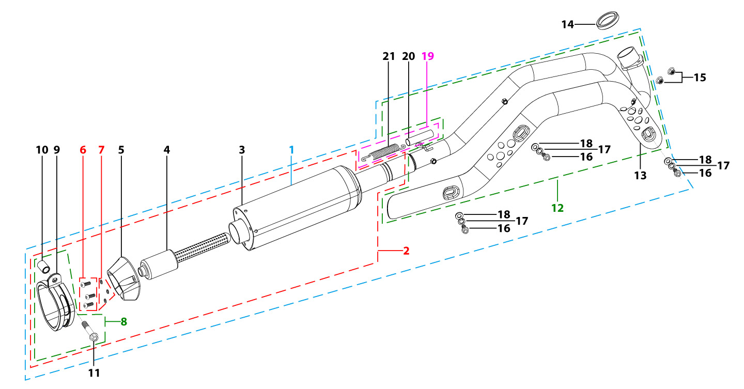
N° | Ref. | Description | Français | Picture | Qty/Bike | Rep. Pst.
1 | YC110-136-02-GY | START Muffler& Exhaust pipe assy YCF 94db (1 spring) 2022 | Echapement complet YCF 94db START (1 ressort) 2022 |  | 1
2 | YC110-13016-GY | YCF Muffler complete 94db START L=295mm (1 springs) GREY | silencieux complet YCF 94db GRIS |  | 1
4 | YC110-13-301 | Noise reducer (spark arrestor) YCF START | Bride de pot YCF START |  | 1
5 | YC110-13-32 | Muffler end cap YCF | Embout silencieux YCF |  | 1
6 | GB70.2-M5x16-Cr | Pan head hexagon screw M5x16mm Cr | Vis à tête ronde Allen (BTR) M5x16mm Cr |  | 3
7 | GB93-d5 | Spring Lock Washers d5mm inox | Rondelle a ressort d5mm inox |  | 3
8 | YC110-13-0601 | Hoop for muffler complete YCF START 2023 (with rubber) | Attache silencieux complet YCF START 2023 (avec caoutchouc) |  | 1
10 | YC110-1321-01 | Muffler Hoop spacer d8mmxd14mmx30mm | Entretoise attache silencieux d8mmxd14mmx30mm |  | 1
11 | BT08-M8x50-B-W | HEXAGON Torx screw with Flange M8x50mm half thread | Vis HEXAGONALE Torx avec Flange M8x50mm VIS FILETAGE PARTIEL |  | 1
12 | YC110-1302-35 | Exhaust pipe with protection plate d28mm START 2022 | collecteur avec plaque d28mm START 2022 |  | 1
...
N° | Ref. | Description | Français | Picture | Qty/Bike | Rep. Pst.
15 | GB845-ST4.8x16-G | Pan Head Cross Tapping Screw ST4.8x16mm | Vis taraudeuse à tête ronde cruciforme ST4.8x16mm |  | 8
16 | GB845-ST4.8x20-G | Pan Head Cross Tapping Screw ST4.8x20mm | Vis taraudeuse à tête ronde cruciforme ST4.8x20mm |  | 1
17 | GB819-M4x10-W | Countersunk cross head machine screw,steel, M4x10mm | Vis à tête fraisée plate cruciforme ,acier, M4x10mm |  | 8
18 | BT08-M6x20-W | HEXAGON Torx screw with Flange M6x20mm | Vis HEXAGONALE Torx avec Flange M6x20mm |  | 2
19 | FB5787-M5x12-W | hex.Bolt with flanged M5x12mm | Vis M5x12mm |  | 2
20 | GB96-d6-W | Flat washer,steel d6mm | Rondelle plate,acier d6mm |  | 6
21 | BT08-M6x25-W | HEXAGON Torx screw with Flange M6x25mm | Vis HEXAGONALE Torx avec Flange M6x25mm |  | 2
22 | GB6177-M6-W | HEXAGON FLAT FLANGE NUT M6 steel | Ecrou HEXAGONAL avec Flange M6 acier |  | 2
23 | YC110-03-01 | Rubber washer d6mmxd18mmx4mm for seat fixation on subframe | joint caoutchouc d6mmxd18mmx4mm pour fixation selie sur boucle acier |  | 4
ELECTRIC |  |  |  |  |  | AB
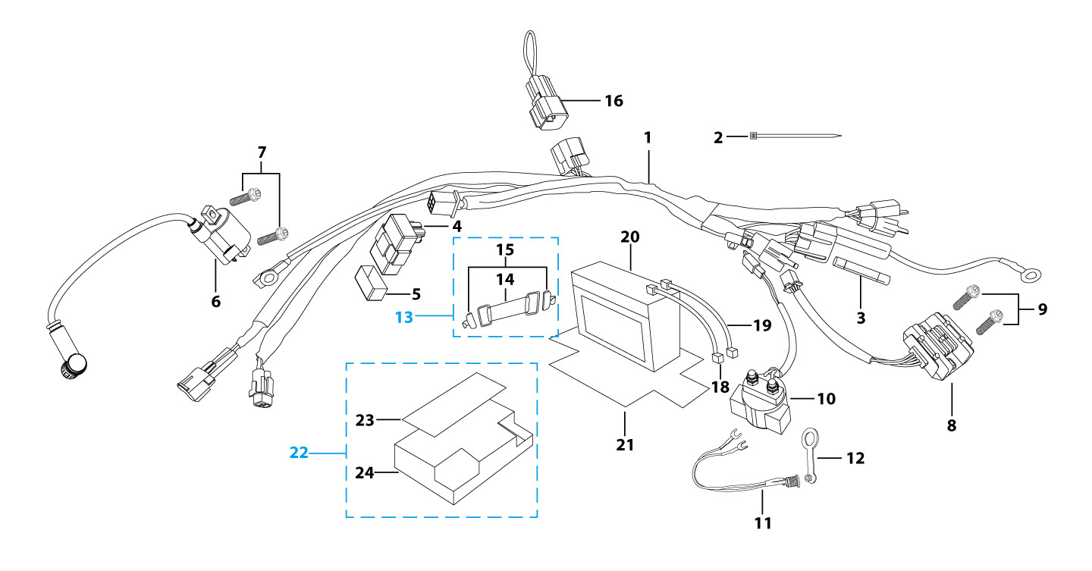
N° | Ref. | Description | Français | Picture | Qty/Bike | Rep. Pst.
1 | YC110-1501-2002 | Wire harness Electric start engine 2022 L=650mm Ignitor coil L=240mm rectifier L=130mm | Faisceaux éléctrique 2022 L=650mm bobine haute tension L=240mm ，Rectificateur L=130mm, |  | 1
2 | YC110-1503 | CDI Ignitor assy. | CDI Ignitor assy. |  | 1
4 | YC110-1504-01 | Ignitor coil L=180mm | bobine haute tension L=180mm |  | 1
5 | YC110-1504 | Ignitor coil | bobine haute tension (sans anti parasite) |  | 1
6 | YC110-1505 | anti interference red | anti parasite rouge |  | 1
7 | BT08-M6x20-W | HEXAGON Torx screw with Flange M6x20mm | Vis HEXAGONALE Torx avec Flange M6x20mm |  | 1
8 | YC110-1502-01 | rectifier for ENGINE 150-2 | Rectificateur 150-2 |  | 1
9 | YC50-1510 | relay 50CC | Relais demarreur 50CC |  | 1
10 | YC110-1539 | Bracket for relay Black | Support Relay Noir |  | 1
...
N° | Ref. | Description | Français | Picture | Qty/Bike | Rep. Pst.
16 | YC110-1508-03 | Rubber band battery holder assy | Bande caoutchouc pour maintien batterie complete |  | 1
19 | YC110-1513-02 | Charger connexion W88E L=150mm | Connection chargeur W88E L=150mm |  | 1
20 | YC110-1515-02 | Rubber protection charge plug 2020 | Caoutchouc protection prise chargeur 2020 |  | 1
21 | BT08-M6x10-W | HEXAGON Torx screw with Flange M6x10mm | Vis HEXAGONALE Torx avec Flange M6x10mm |  | 2
22 | YC110-1545-01 | STEEL SUPPORT Charger connexion F88se/F125se Black | Support prise chargeur F88se/F125se Noir |  | 1
23 | YC110-1523-02 | Battery protection 117mmx75mmx60mm | Protection Batterie 117mmx75mmx60mm |  | 1
24 | YC110-1561 | Battriy cover with sticker | Couvre batterie avec sticker |  | 1
27 | YC110-01-05-WH | Cable tie,nylon, L=350mm WHITE | collier maintien cable,nylon, L=350mm BLANC |  | 1
28 | YC50-1547-01 | Fuse 50A d6mmx30mm F15AL250V | Fusible YCF50A d6mmx30mm F15AL250V |  | 1
Frame |  |  |  |  |  | AB
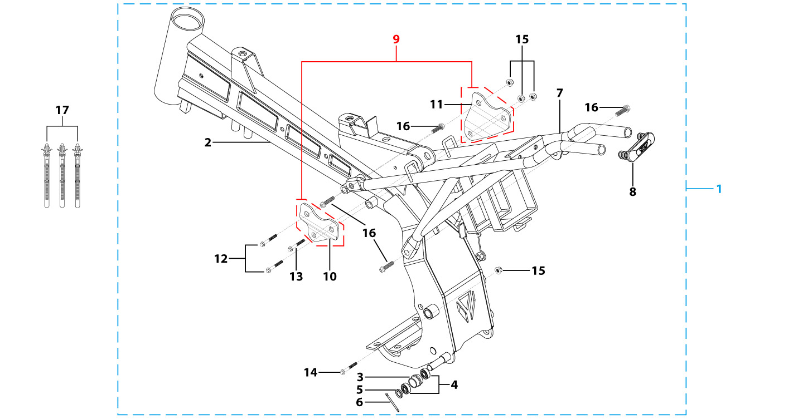
N° | Ref. | Description | Français | Picture | Qty/Bike | Rep. Pst.
1 | YC88-161-0301-BK | complète frame mono swing arm START F88se Black/Black hanger plate 2020 | cadre complet bras mono START F88se Noires 2020 |  | 1
2 | YC88-172-07-BK | START F88se 2020 Chromoly steel frame mono swing arm Black | Cadre acier chromoly START F88se 2020 bras mono Noir |  | 1
3 | YC110-2201-02 | YCF Chain tensioner component Nylon 2020 | Roulette chaine YCF 2020 Nylon |  | 1
5 | GB97-d10-W | Flat washer,steel d10mm | Rondelle plate,acier d10mm |  | 1
6 | GB91-d2x25-W | Split pin d2.0mmx25mm | Goupille d2.0mmx25mm |  | 1
7 | YC88-16-022-BK | START Subframe part chromoly START F88SE Black 2020 | Boucle arriere chromoly NoirE START F88SE 2020 |  | 1
8 | YC110-1633-0201 | Rubber plug for SUBFRAME part START | Embout Caoutchouc YCF boucle arriere START |  | 1
9 | YC110-16-063-BK | set of engine pads START F88SE Black | jeu de patte de cadre START F88SE NoirE |  | 1
10 | YC88-16-030-BK | frame engine pads left START F88se Black | patte de cadre gauche START F88Se NoirE |  | 1
...

